Sheet1
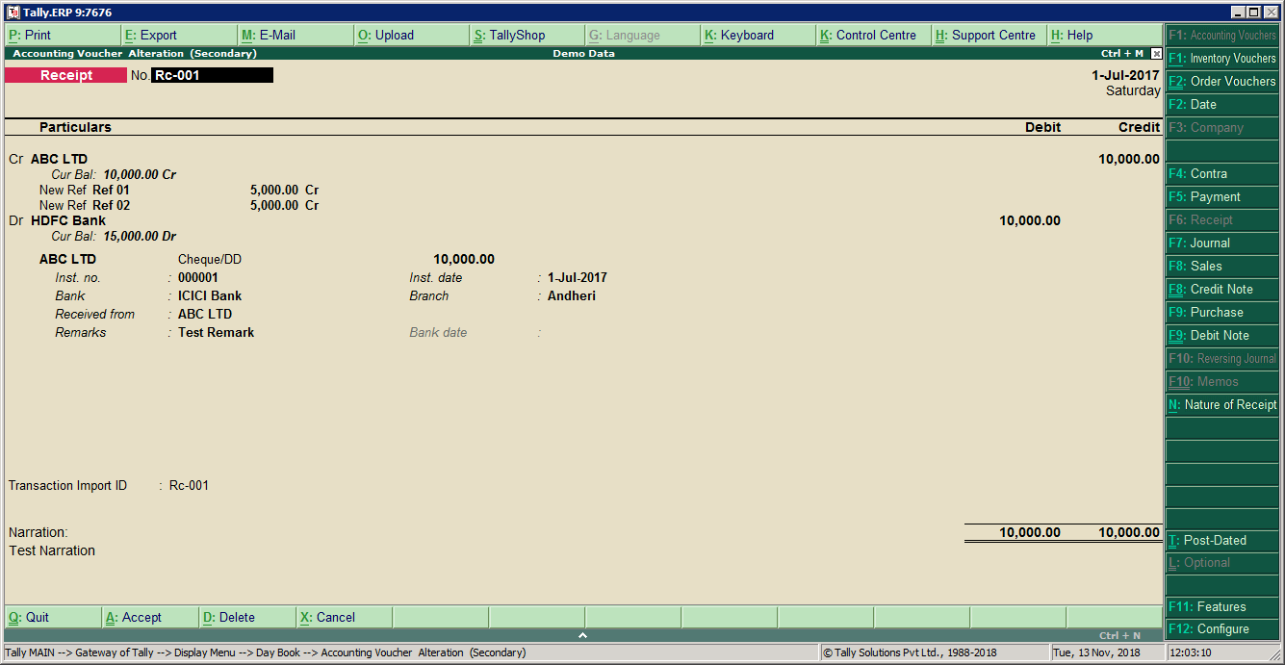
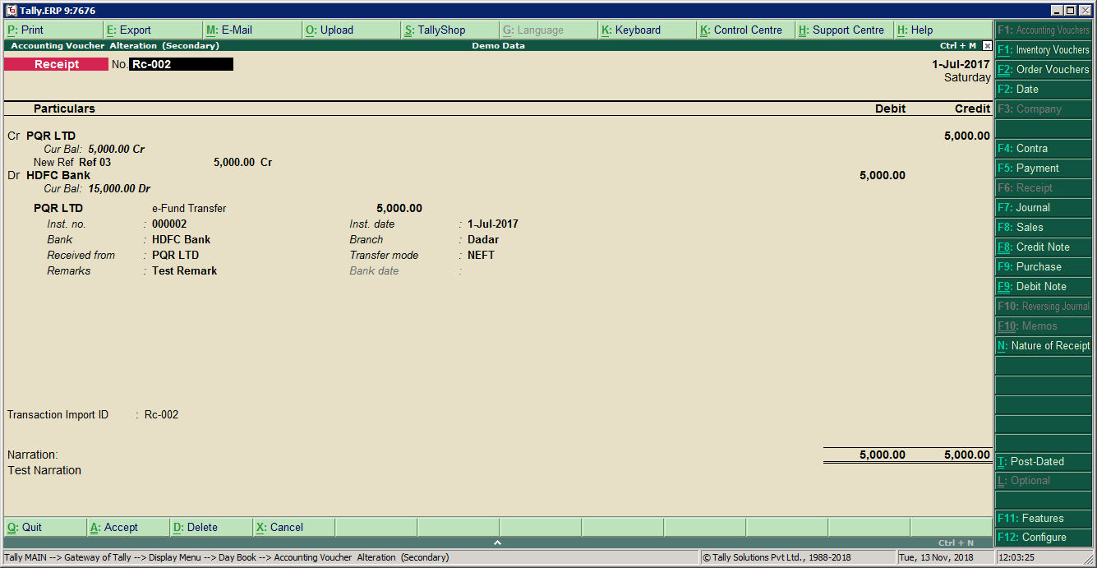
3 | Tally | Tally | from Paymnet Advice | from Paymnet Advice | from Paymnet Advice | from Paymnet Advice | from Paymnet Advice | Tally | from Paymnet Advice | from Paymnet Advice | from Paymnet Advice | from Paymnet Advice | from Paymnet Advice | from Paymnet Advice ( inst number of UTR no ) | from Paymnet Advice | from Paymnet Advice | from Paymnet Advice | from Paymnet Advice | from Paymnet Advice |  | from Paymnet Advice | from Paymnet Advice
 | Voucher Number | Voucher Type | Voucher Date | Cr Ledger Name | Cr Amount | Reference No. | Reference Amount | Debit ledger name | Reference number | Reference Amount ( TAX Amount ) | Dr Ledger Name | Dr Amount | Transaction Type | Inst No | inst Date | Chq Amount | Favoring Name | Bank Name | Branch Name | Bank Date | Remarks | Narration | TALLYIMPORTSTATUS
 | Rc-001 | Receipt | 2017-07-01 | ABC LTD | 10000.00 | Ref 01 | 5000.00 | TDS receivable | Ref 01 | 10.00 | HDFC Bank | 9980.00 | Cheque/DD | 000001 | 2017-07-01 | 10000.00 | ABC LTD | ICICI Bank | Andheri |  | Test Remark | Test Narration
 | Rc-001 | Receipt |  | ABC LTD |  | Ref 02 | 5000.00 | TDS receivable | Ref 02 | 10.00
 | Rc-002 | Receipt | 2017-07-01 | PQR LTD | 5000.00 | Ref 03 | 5000.00 | TDS receivable | Ref 03 | 10.00 | HDFC Bank | 4990.00 | e-Fund Transfer | 000002 | 2017-07-01 | 5000.00 | PQR LTD | HDFC Bank | Dadar |  | Test Remark | Test Narration
 |  | Note:
 |  | 1. Tool only create entries (No alteration).You Can Alter entry Manually after import
 |  | 2.IF Party ledger and bank ledger Not Present in tally than our tool Create but only in under Group.
 |  | 3.Tool Not Work With Any Customization TDL and Any ( Addons and Module ). '' If Any using kindly Update

